Sheet1
conrad.jang2@gmail.com

도파민 연구소
google cloud
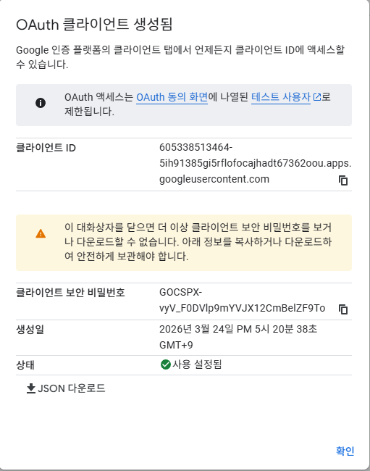

605338513464-5ih91385gi5rflofocajhadt67362oou.apps.googleusercontent.com

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

